Module 4
Main
 | Module 4: Evaluating the integrity of data for organisational decisions and auditor reliance

 | IPE

 | Data integrity
 | The completeness, accuracy and validity of data over its life cycle
 | make sure data remains the same as when it was originally recorded

 | 4.1.2 Components of data integrity
 | • Accurate – data correctly reflects real-world information
 | • Complete – data should contain all critical information
 | • Consistent – data across an organisation should be consistent with itself
 | • Reliable – decision makers should be able to rely on the data they are provided
 | with
 | • Secure – data should be secure and protected
 | • Timely – data should be up-to-date and therefore relevant
 | • Traceability – the source of data should be understood
 | • Validity – data should exhibit the required characteristics (i.e., dates should be shown in an appropriate date format, or monetary amounts in GBP)
 | • Uniqueness – duplicate items should be avoided within a dataset

 | Types of data integrity
 | Physical Integrity | servers
 | Logical integrity | focus on the rationality of the data itself

 | Logic is often enforced in a database system which instigates a series of constraints or rules

 | types of data integrity
 | entity integrity | primary keys (colomns) are unique and not null to avoid multiple listed data or missing information
 | referential integrity | data is consitent across entities to ensure easy comparison and collationg
 | domain integrity | within each column the data is in the same format. Consistency within the domain
 | user-defined integrity | any rules not classified in the above

 | data needs to maintain integrity as business decisions are being made off the back of it
 | if data is corrupted it can have severe consquences and risks (even to human life)
 | need to have a high level of trust in the data and analytics performed on it

 | data security prevent unauthorised access
 | data integrity is more about treating the threat that data is modified or corrupted within its lifecycle as aresult of failures such as those around storage, processing, software or human intervention
 | Data quality is where data meets any defined standards and the needs of the organisation

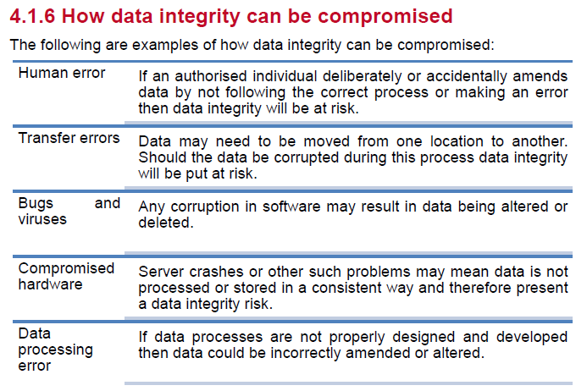

 | human erros and data processing errors

 | Maintaining data integrity
 | culture and control environment
 | SDLC - systems development life cycle
 | formal data management process - qualiuty controls, physical controls, logical security controls
 | Audit trails
 | Limited access to systems
 | backup and recovery procedures
 | Purchase reputable software
 | regular internal audit reviews - systems audit, operational audit, post-implementation review, investigarions, inspection and quality control and culture audit
 | single robust, source of truth - undedited source such that many operations can revert back to

 | Activity 1
 | risk | analysis | impact on strategy
 | staff can edit single source of truth data |  | all about impact on the organisations decision making ability
 | small local, 3 rd part software provider
 | co worked with Multicoloz to develop software | self review threat
 | software has failed before
 | software provided has gone into administration
 | accounting system old and does not interface with the software package
 | manual data processing | human error
 | instance of data being altered | this comprimises the overal integrity of all the data lack of audit trail

 | Audit evidence
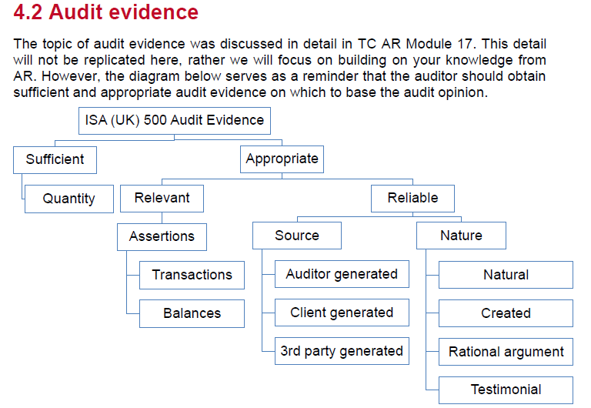

 | audit evidence is relevant as long as it provides evidence over one or more of the financial statement assertions the auditor is trying to test
 | two categories of FS assertions
 | assertions about ABCOTDs
 | assertions about classes of transactions and events throuhgout the period and related disclosures

 | account balances | class of transaction
 | existence | occourance
 | rights and obligations | accuracy
 | accuracy, valuation and allocation | cut-off
 | completeness
 | classification
 | presentation
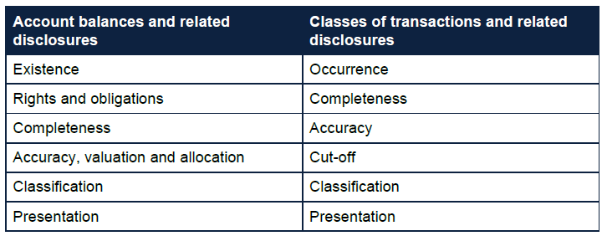

 | IPE
 | reliable
 | accurate and complete
 | precise and detailed

 | use knowledge of the entity to identify specific audit risks
 | tailored to the ROMM
 | determine if there is any contradictory evidence

 | Activity 2 | <<<Up to here

 | Prior year payroll expense |  |  | 100,000 | <<<cross cast schdeulde including recal figures computed by client, agree to PYFS
 | Average number of employees in the prior year |  |  | 10 | <<<agree to PYFS. Confirm that average across the year is a appropriate bases for measurement
 | Average payroll expense per employee |  |  | 10,000
 | Average pay rise of 5% as advised by the finance manager |  |  | 10,500 | <<<obtain evidence of communication of pay rise with staff and board minutes evidencing business reasons for increase against cost saving focus
 | Average number of employees in the current year |  |  | 12 | review payroll records for the year to agree employee number appears reasonable
 | Expected payroll expense in current year |  |  | 126,000
 | Actual payroll expense in the current year |  |  | 136,000 | agree to TB and FS
 | Difference |  |  | 10,000

 | PM |  |  | 1,000 | the difference in client calculation is material therefore further explanations provided will require to be quantified to ensure they explain the identified difference

 | Further explanations provided
 | obtain evidence on increased pay rise including board approval, communicatoin to staff and payroll lising
 | enquire of the directorss why there are two new management level employees and what their position is. Obrain joiner form/contract for new employees

 | for EE recalc - consider stratafying into mgmt and non-mgmt
 | contrary audit evidence - company wants to cut cost but is taking on more staff. Discuss thie with mgmgt

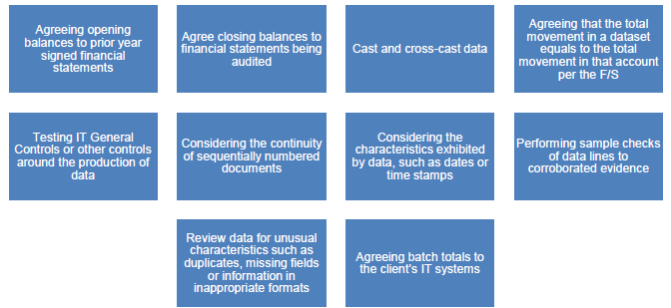

 | The audit team may need to clean data extracted from a client's system before inputting it into the ADA tool to ensure reliability.
 | Controls should be in place to monitor the cleansing process, including batch controls and review of unusual characteristics.
 | The engagement partner, and therefore the audit team, is responsible for confirming the suitability of the data for use and must maintain appropriate documentation.

 | agree output to client system
 | PYFS
 | agree volume of transactions
 | samples the trade receivables. Check against invoice, customer ordes, bank statements to ensure the receivable assets are genuine
 | filter colums to search for missing data and check for any sequantial numbering
 | check all invoice numbers are the same length - any credit notes mixed in

 | agree total, total cr, and total cr to client sysem
 | net total agrees to AR balance
 | confirm total number of entries - number of rows

 | Activity 4: Performing procedures to obtain assurance over the accuracy,
 | validity and completeness of data obtained from the client

 | Very long and detailed answer. See notes

